M34-NS
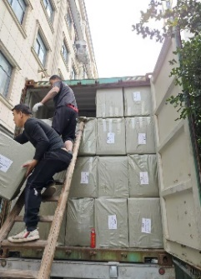

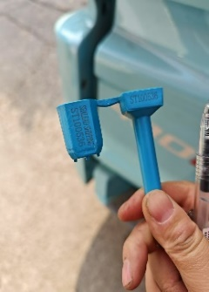
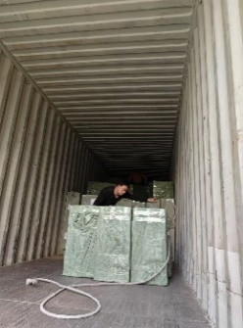
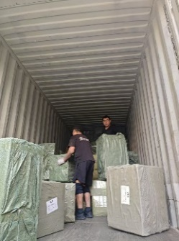
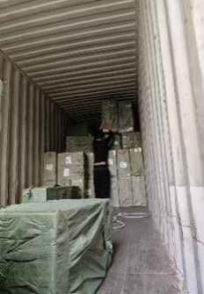
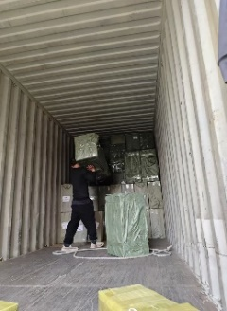
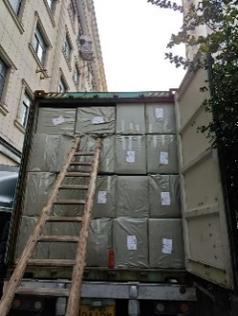

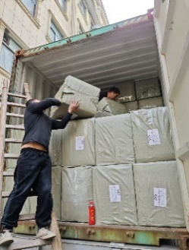
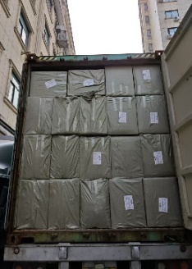
RANI-SLSNBV04325-614 CRTS-15900 KGS-DFSU6432366

ITEM NAME | CUS. NO | CTN | CTNR NO | Qty/ctn | T Qty | Unit | G.W. | TTL. G.W. | PHOTO | METALIAL
品名 | 唛头 | 件数 | 箱号 | 装箱数 | 总数量 | 单位 | 重量 | 总重量 | 图片 | 材质 | 中文品名 | 材质

STORAGE BAG | ZO A012-2691-24-12A | 64 |  | 200 | 12800 | PCS | 22.80 | 1459.20 |  | PU FABRIC | 收纳包 | PU布
STORAGE BAG | ZO A012-2683-24-12A | 71 |  | 200 | 14200 | PCS | 22.80 | 1618.80 |  | PU FABRIC | 收纳包 | PU布
STORAGE BAG | ZO A012-2690-24-12A | 3 |  | 200 | 600 | PCS | 23.00 | 69.00 |  | PU FABRIC | 收纳包 | PU布
STORAGE BAG | ZO A012-2657-24-12B | 4 |  | 200 | 800 | PCS | 22.80 | 91.20 |  | PU FABRIC | 收纳包 | PU布
STONE LINE | JB | 3 |  | 1000 | 3000 | M | 13.00 | 39.00 |  | POLYESTER+GLASS | 钻带 | 涤纶+玻璃
STONE LINE | JB | 1 |  | 750 | 750 | M | 10.00 | 10.00 |  | POLYESTER+GLASS | 钻带 | 涤纶+玻璃
STONE LINE | JB | 5 |  | 1000 | 5000 | M | 10.00 | 50.00 |  | POLYESTER+GLASS | 钻带 | 涤纶+玻璃
STONE LINE | JB | 8 |  | 1000 | 8000 | M | 10.00 | 80.00 |  | POLYESTER+GLASS | 钻带 | 涤纶+玻璃
STONE LINE | JB | 9 |  | 1000 | 9000 | M | 10.00 | 90.00 |  | POLYESTER+GLASS | 钻带 | 涤纶+玻璃
STONE LINE | JB | 1 |  | 800 | 800 | M | 12.00 | 12.00 |  | POLYESTER+GLASS | 钻带 | 涤纶+玻璃
STONE LINE | JB | 5 |  | 1000 | 5000 | M | 12.00 | 60.00 |  | POLYESTER+GLASS | 钻带 | 涤纶+玻璃
STONE LINE | JB | 9 |  | 100 | 900 | M | 12.00 | 108.00 |  | POLYESTER+GLASS | 钻带 | 涤纶+玻璃
STONE LINE | JB | 1 |  | 950 | 950 | M | 12.00 | 12.00 |  | POLYESTER+GLASS | 钻带 | 涤纶+玻璃
STONE LINE | JB | 9 |  | 1000 | 9000 | M | 12.00 | 108.00 |  | POLYESTER+GLASS | 钻带 | 涤纶+玻璃
STONE LINE | JB | 1 |  | 950 | 950 | M | 12.00 | 12.00 |  | POLYESTER+GLASS | 钻带 | 涤纶+玻璃
STONE LINE | JB | 5 |  | 1000 | 5000 | M | 12.00 | 60.00 |  | POLYESTER+GLASS | 钻带 | 涤纶+玻璃
STONE LINE | JB | 4 |  | 100 | 400 | M | 24.00 | 96.00 |  | POLYESTER+GLASS | 钻带 | 涤纶+玻璃
STONE LINE | JB | 4 |  | 100 | 400 | M | 24.00 | 96.00 |  | POLYESTER+GLASS | 钻带 | 涤纶+玻璃
STONE LINE | JB | 5 |  | 100 | 500 | M | 24.00 | 120.00 |  | POLYESTER+GLASS | 钻带 | 涤纶+玻璃
STONE LINE | JB | 2 |  | 100 | 200 | M | 24.00 | 48.00 |  | POLYESTER+GLASS | 钻带 | 涤纶+玻璃
STONE LINE | JB | 4 |  | 100 | 400 | M | 24.00 | 96.00 |  | POLYESTER+GLASS | 钻带 | 涤纶+玻璃
CATCHER WITH ZIRCON | VV-JC | 63 | 1-63 | 150000 | 9450000 | PCS | 26.00 | 1638.00 |  | ALLOY | 饰品配件 | 合金
BIKE COVER MASK | ZO A047-3358-24-12A | 100 |  | 100 | 10000 | PCS | 16.00 | 1600.00 |  | PLASTIC | 面罩 | 塑料
BIKE COVER MASK | ZO A047-3359-24-12A | 50 |  | 100 | 5000 | PCS | 16.00 | 800.00 |  | PLASTIC | 面罩 | 塑料
POLYESTER NET | JAY-1.5CM | 20 |  | 500 | 10000 | PCS | 47.50 | 950.00 |  | POLYESTER | 涤纶网带 | 涤纶
DECORATIVE PENDANT | UE | 100 |  | 600 | 60000 | PCS | 38.40 | 3840.00 |  | PAPER | 装饰挂件 | 纸
BALLOON | NS-25 | 50 |  | 600 | 30000 | BAG | 48.00 | 2400.00 |  | RUBBER | 气球 | 乳胶
JEWELRY ACCESORIESS | OM-82 | 13 |  | 25000 | 325000 | PCS | 26.00 | 338.00 |  | ALLOY | 饰品配件 | 合金

 |  | 614 |  |  |  |  |  | 15901.20

